Indices

 | Iraq Stock Exchange
 | Bulletin No (114)
 | ISX Trading Indices of Thursday 2/7/2026

 | Traded Volume and OTC |  | 1,875,176,864 |  | Traded Value and OTC |  | 2,539,561,974 |  | Traders | 1127

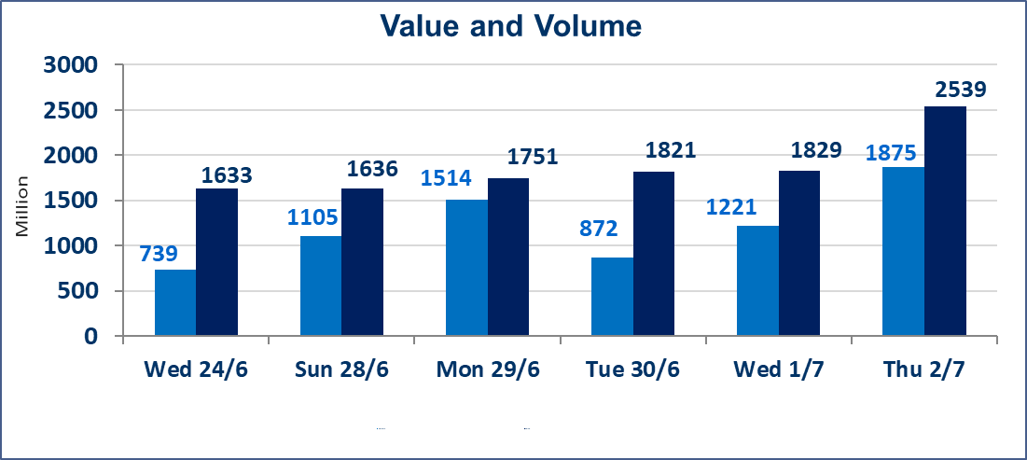
 | ISX Index 60 |  |  | 1026.44 | ISX Index 15 |  |  | 1285.32
 | Previous ISX Index60 |  |  | 1026.53 | Previous ISX Index15 |  |  | 1280.11
 | Change % |  |  | -0.01 | Change % |  |  | 0.41
 | Change |  |  | -0.09 | Change |  |  | 5.21

 | Listed Companies | 103 | OTC | 17 | Non Traded listed | 40 | OTC | 16
 | Traded Listed Companies | 49 | OTC | 1 | Higher Companies |  |  | 5
 | GAM Companies |  |  | 6 | Lower Companies |  |  | 20
 | Suspended Companies |  |  | 8
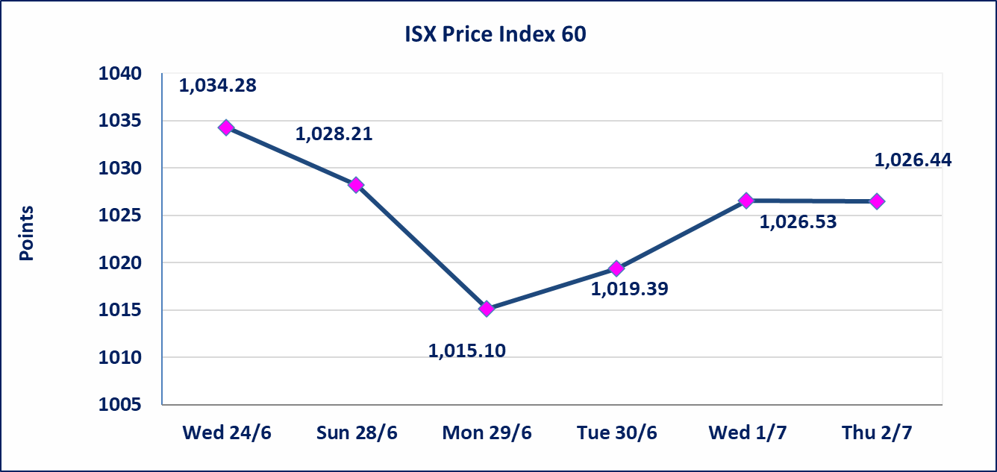
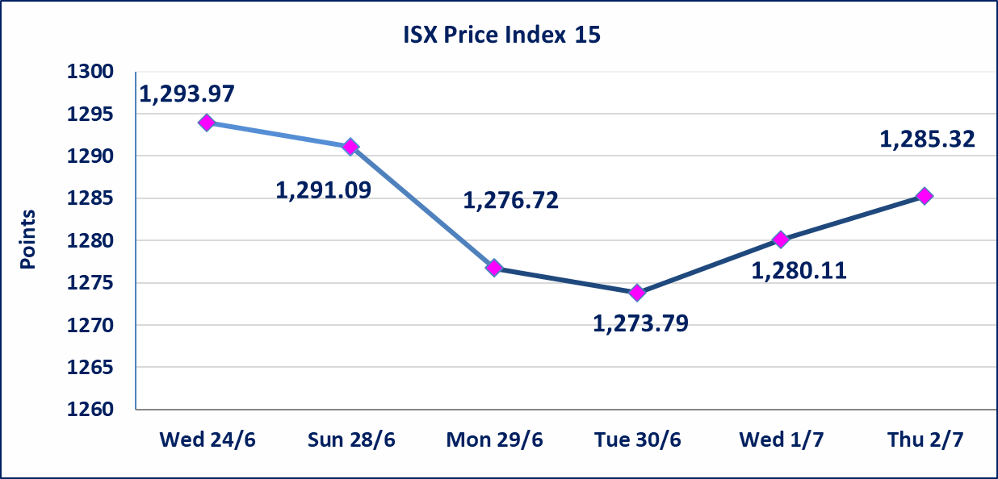

Al-Alwiya P.O . 3607 Mobile: 07711211522 - 07270094594 - 07834000034 E-mail: info-isx@isx-iq.net Web site:www.isx-iq.net

Top 5
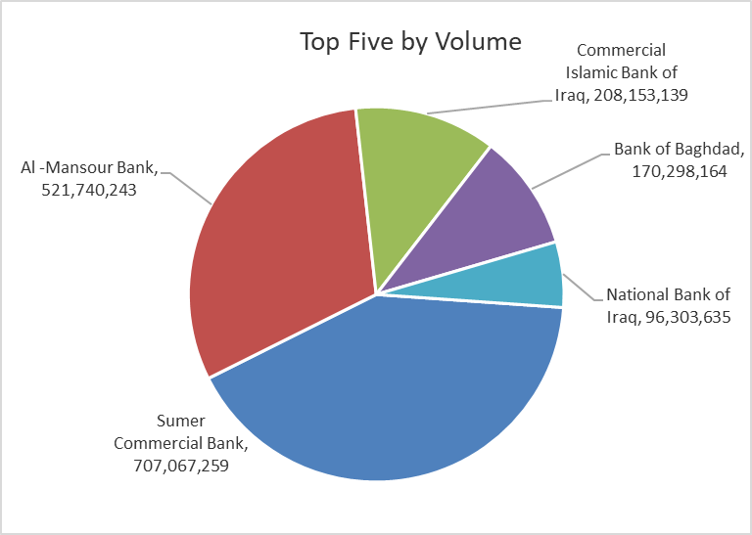
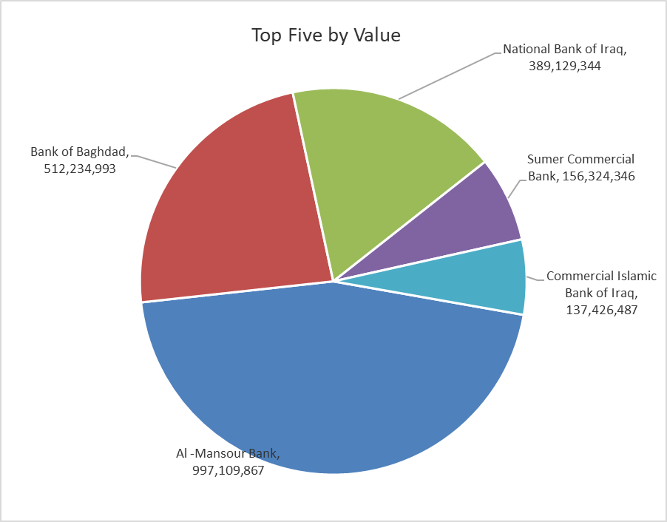

ISX top ganing and losing companies
Thursday 2/7/2026
 | Gainers |  |  |  | Losers
 | Company Name | Closing Price | Change (%) | Traded Volume | Company Name | Closing Price | Change (%) | Traded Volume
 | Babil Animal & Vegetable Production | 8.450 | 5.49 | 97,354 | Iraqi Carton Manufactories | 2.450 | -9.26 | 148,200
 | Babylon Hotel | 107.000 | 3.88 | 100 | International Islamic Bank | 0.220 | -8.33 | 40,709
 | Commercial Islamic Bank of Iraq | 0.670 | 1.52 | 208,153,139 | Al-Khatam Telecom | 3.820 | -3.29 | 515,250
 | Al-Hilal Industries | 1.540 | 1.32 | 126,049 | Electronic Industry | 1.550 | -3.12 | 26,000
 | Ishtar Hotels | 9.050 | 0.56 | 2,986,000 | Iraqi Date Processing and Marketing | 2.600 | -1.89 | 242,078
 | The most active companies in term of traded volume and value

 | Traded Volume |  |  |  | Traded Value
 | Company Name | Closing Price | Change (%) | Traded Volume | Company Name | Closing Price | Change (%) | Traded Value
 | Sumer Commercial Bank | 0.230 | 0.00 | 707,067,259 | Al -Mansour Bank | 1.930 | -0.52 | 997,109,867
 | Al -Mansour Bank | 1.930 | -0.52 | 521,740,243 | Bank of Baghdad | 3.010 | -0.33 | 512,234,993
 | Commercial Islamic Bank of Iraq | 0.670 | 1.52 | 208,153,139 | National Bank of Iraq | 4.020 | -0.74 | 389,129,344
 | Bank of Baghdad | 3.010 | -0.33 | 170,298,164 | Sumer Commercial Bank | 0.230 | 0.00 | 156,324,346
 | National Bank of Iraq | 4.020 | -0.74 | 96,303,635 | Commercial Islamic Bank of Iraq | 0.670 | 1.52 | 137,426,487

Non Iraqis

Iraq Stock Exchange
Non Iraqis' Bulletin Thursday July 2 2026
Regular Market

Non Iraqi Trading of Regular Market (Buy)
Company Names | Code | No.of trades | Traded Shares | Trading Volume
Banks Sector
Bank Of Baghdad | BBOB | 2 | 1,200,000 | 3,660,000
National Bank Of Iraq | BNOI | 1 | 300,000 | 1,206,000
Al-Mansour Bank | BMNS | 52 | 150,102,061 | 289,676,728
Total Bank sector |  | 55 | 151,602,061 | 294,542,728
Telecommunication Sector
Asia cell | TASC | 3 | 12,000 | 197,160
Total Telecommunication sector |  | 3 | 12,000 | 197,160
Grand Total |  | 58 | 151,614,061 | 294,739,888

Non Iraqi Trading of Regular Market (Sell)
Company Names | Code | No.of trades | Traded Shares | Trading Volume
Banks Sector
Bank Of Baghdad | BBOB | 28 | 110,004,000 | 330,012,160
National Bank Of Iraq | BNOI | 79 | 65,096,163 | 262,020,060
Gulf Commercial Bank | BGUC | 1 | 17,647 | 6,176
Al-Mansour Bank | BMNS | 40 | 332,189,189 | 631,700,822
Total Bank sector |  | 148 | 507,306,999 | 1,223,739,219
Grand Total |  | 148 | 507,306,999 | 1,223,739,219

Non Iraqi Trading of Second Market (Sell)
Company Names | Code | No.of trades | Traded Shares | Trading Volume
Banks Sector
Credit Bank Of Iraq | BROI | 2 | 173,119 | 93,484
Total Bank sector |  | 2 | 173,119 | 93,484
Grand Total |  | 2 | 173,119 | 93,484

OTC

Iraq Stock Exchange

Thursday 2/7/2026

OTC Platform Trading Bulletin No (114)
Company Name | Code | highest price | lowest price | Average price | No.of Trades | Traded Volume | Traded Value
Banks Sector
Al-Warka Bank | BWAI | 0.150 | 0.140 | 0.140 | 8 | 14,732,303 | 2,063,232
Total Of Money Service Sector |  |  |  |  | 8 | 14,732,303 | 2,063,232
Total |  |  |  |  | 8 | 14,732,303 | 2,063,232

Not Trading OTC Companies
Company Name |  |  | Code |  | Previous Average price
Banks Sector
Al-Sanam Islamic Bank |  |  | BSAN |  | 3.000
Hammurabi Commercial Bank |  |  | BHAM |  | ـــــــــــــــــــــــــــــــــــ
Industrial Sector
Kirkuk producing constructional materials |  |  | IKFP |  | 2.660
Money Service Sector
Rabee Securities |  |  | FRSE |  | 9.050
Karmal Brokerage |  |  | FKSX |  | 10.000
Iraqi Deposit Insurance Corporation |  |  | FIDI |  | 1.000
Ishtar Gate for e-Paymant |  |  | FISH |  | 1.000
Sama Baghdad Exchange |  |  | FSBE |  | ـــــــــــــــــــــــــــــــــــ
Insurance Sector
Almaseer lnsurance Company |  |  | NMAS |  | ـــــــــــــــــــــــــــــــــــ
Zain lnsurance Company |  |  | NZA |  | ـــــــــــــــــــــــــــــــــــ
Dar Altheqa Insurance Company |  |  | NDAR |  | ـــــــــــــــــــــــــــــــــــ
Shatt Al Arab Insurance |  |  | NSHA |  | 1.000
Al Badia Insurance |  |  | NBAD |  | ـــــــــــــــــــــــــــــــــــ
Kurdistan Insurance |  |  | NKUI |  | 0.500
Elaf Insurance |  |  | NELF |  | ـــــــــــــــــــــــــــــــــــ
Dilina Insurance Company |  |  | NDIL |  | ـــــــــــــــــــــــــــــــــــ

Not Trading Bonds

Iraq Stock Exchange
Thursday 2/7/2026
Not Trading Bonds Bulletin
Bond type | Publish type | Code | last trading price | immortilize date
Banaa Bonds /Million ID | Second | CB20 | 964,981 | 19/12/2025
Eamar Bonds /Million ID | First | CB30 | 1,001,095 | ــــــــــــــــ
Eamar Bonds /Million ID | Second | CB40 | ــــــــــــــــ | ــــــــــــــــ
Eamar Bonds /500 Thousand ID | Third | CB45 | ــــــــــــــــ | ــــــــــــــــ
Eamar Bonds /Million ID | Third | CB50 | ــــــــــــــــ | ــــــــــــــــ
Injaz Bonds /500 Thousand ID | First | CB55 | ــــــــــــــــ | ــــــــــــــــ
Injaz Bonds /Million ID | First | CB60 | 951,110 | ــــــــــــــــ
Injaz Bonds /500 Thousand ID | Second | CB65 | 511,000
Injaz Bonds /Million ID | Second | CB70 | 965,050 | ــــــــــــــــ
Injaz Bonds /500 Thousand ID | Third | CB75 | ــــــــــــــــ | ــــــــــــــــ
Injaz Bonds /Million ID | Third | CB80 | 978,182 | ــــــــــــــــ
National Bonds/Million ID | First | CB90 | ــــــــــــــــ | ــــــــــــــــ
National Bonds/500 Thousand ID | Second | CB95 | ــــــــــــــــ | ــــــــــــــــ
National Bonds/Million ID | Second | CB100 | ــــــــــــــــ | ــــــــــــــــ

